Daily Power Station Chart_14-01
Plant_17/01/2025Chart

Plant:odco1 |  |  | Installed Capacity:111.180kWp
Today Yield(kWh):202.500kWh |  | Today Earning:81000.000TND |  | Today Full Load Hours(h):1.82h

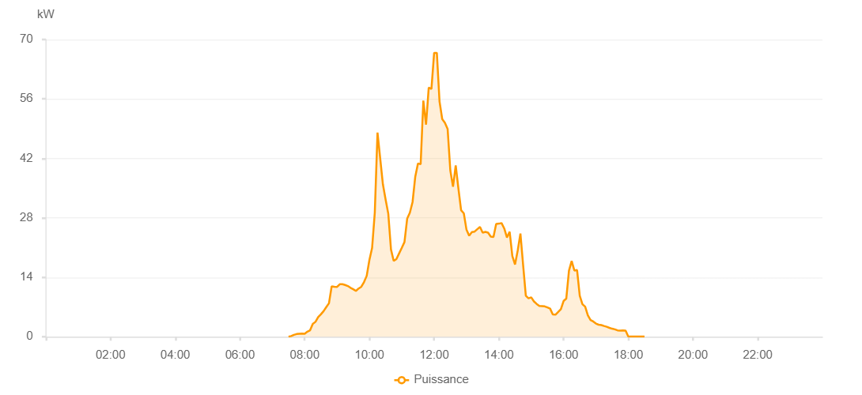

Number | Time | Working State | PV(W) | Instantaneous Radiation(W/㎡)
1 | 07:30:00 | Online | 20.00000 | 0
2 | 07:35:00 | Online | 160.00000 | 0
3 | 07:40:00 | Online | 450.00000 | 1.00000
4 | 07:45:00 | Online | 630.00000 | 1.00000
5 | 07:50:00 | Online | 710.00000 | 5.00000
6 | 07:55:00 | Online | 730.00000 | 7.00000
7 | 08:00:00 | Online | 720.00000 | 7.00000
8 | 08:05:00 | Online | 1200.00000 | 9.00000
9 | 08:10:00 | Online | 1520.00000 | 11.00000
10 | 08:15:00 | Online | 3020.00000 | 19.00000
11 | 08:20:00 | Online | 3510.00000 | 26.00000
12 | 08:25:00 | Online | 4620.00000 | 34.00000
13 | 08:30:00 | Online | 5280.00000 | 37.00000
14 | 08:35:00 | Online | 6030.00000 | 46.00000
15 | 08:40:00 | Online | 6980.00000 | 62.00000
16 | 08:45:00 | Online | 7880.00000 | 77.00000
17 | 08:50:00 | Online | 11870.00000 | 91.00000
18 | 08:55:00 | Online | 11760.00000 | 98.00000
19 | 09:00:00 | Online | 11730.00000 | 93.00000
20 | 09:05:00 | Online | 12360.00000 | 100.00000
21 | 09:10:00 | Online | 12360.00000 | 104.00000
22 | 09:15:00 | Online | 12180.00000 | 102.00000
23 | 09:20:00 | Online | 11940.00000 | 104.00000
24 | 09:25:00 | Online | 11520.00000 | 98.00000
25 | 09:30:00 | Online | 11190.00000 | 92.00000
26 | 09:35:00 | Online | 10790.00000 | 92.00000
27 | 09:40:00 | Online | 11360.00000 | 90.00000
28 | 09:45:00 | Online | 11770.00000 | 99.00000
29 | 09:50:00 | Online | 12870.00000 | 103.00000
30 | 09:55:00 | Online | 14350.00000 | 109.00000
31 | 10:00:00 | Online | 18100.00000 | 133.00000
32 | 10:05:00 | Online | 20930.00000 | 170.00000
33 | 10:10:00 | Online | 29280.00000 | 210.00000
34 | 10:15:00 | Online | 48070.00000 | 253.00000
35 | 10:25:00 | Online | 35900.00000 | 316.00000
36 | 10:30:00 | Online | 32330.00000 | 282.00000
37 | 10:35:00 | Online | 28950.00000 | 203.00000
38 | 10:40:00 | Online | 20540.00000 | 162.00000
39 | 10:45:00 | Online | 17870.00000 | 169.00000
40 | 10:50:00 | Online | 18280.00000 | 156.00000
41 | 10:55:00 | Online | 19610.00000 | 163.00000
42 | 11:00:00 | Online | 20920.00000 | 167.00000
43 | 11:05:00 | Online | 22300.00000 | 171.00000
44 | 11:10:00 | Online | 27810.00000 | 206.00000
45 | 11:15:00 | Online | 29220.00000 | 256.00000
46 | 11:20:00 | Online | 31720.00000 | 270.00000
47 | 11:25:00 | Online | 37680.00000 | 313.00000
48 | 11:30:00 | Online | 40810.00000 | 437.00000
49 | 11:35:00 | Online | 40630.00000 | 398.00000
50 | 11:40:00 | Online | 55620.00000 | 898.00000
51 | 11:45:00 | Online | 49950.00000 | 480.00000
52 | 11:50:00 | Online | 58670.00000 | 458.00000
53 | 11:55:00 | Online | 58340.00000 | 1033.00000
54 | 12:00:00 | Online | 66860.00000 | 733.00000
55 | 12:05:00 | Online | 66860.00000 | 806.00000
56 | 12:10:00 | Online | 55400.00000 | 433.00000
57 | 12:15:00 | Online | 51260.00000 | 387.00000
58 | 12:20:00 | Online | 50380.00000 | 450.00000
59 | 12:25:00 | Online | 48940.00000 | 405.00000
60 | 12:30:00 | Online | 39160.00000 | 399.00000
61 | 12:35:00 | Online | 35320.00000 | 309.00000
62 | 12:40:00 | Online | 40330.00000 | 303.00000
63 | 12:45:00 | Online | 34920.00000 | 293.00000
64 | 12:50:00 | Online | 29790.00000 | 265.00000
65 | 12:55:00 | Online | 29060.00000 | 245.00000
66 | 13:00:00 | Online | 25190.00000 | 214.00000
67 | 13:05:00 | Online | 23790.00000 | 198.00000
68 | 13:10:00 | Online | 24660.00000 | 197.00000
69 | 13:15:00 | Online | 24760.00000 | 198.00000
70 | 13:20:00 | Online | 25320.00000 | 234.00000
71 | 13:25:00 | Online | 25850.00000 | 249.00000
72 | 13:30:00 | Online | 24520.00000 | 199.00000
73 | 13:35:00 | Online | 24710.00000 | 204.00000
74 | 13:40:00 | Online | 24520.00000 | 201.00000
75 | 13:45:00 | Online | 23590.00000 | 170.00000
76 | 13:50:00 | Online | 23480.00000 | 171.00000
77 | 13:55:00 | Online | 26570.00000 | 211.00000
78 | 14:00:00 | Online | 26630.00000 | 212.00000
79 | 14:05:00 | Online | 26770.00000 | 224.00000
80 | 14:10:00 | Online | 25500.00000 | 215.00000
81 | 14:15:00 | Online | 23370.00000 | 198.00000
82 | 14:20:00 | Online | 24730.00000 | 177.00000
83 | 14:25:00 | Online | 18990.00000 | 210.00000
84 | 14:30:00 | Online | 17020.00000 | 145.00000
85 | 14:35:00 | Online | 20320.00000 | 133.00000
86 | 14:40:00 | Online | 24310.00000 | 245.00000
87 | 14:45:00 | Online | 16880.00000 | 182.00000
88 | 14:50:00 | Online | 9660.00000 | 91.00000
89 | 14:55:00 | Online | 9050.00000 | 77.00000
90 | 15:00:00 | Online | 9270.00000 | 70.00000
91 | 15:05:00 | Online | 8320.00000 | 74.00000
92 | 15:10:00 | Online | 7730.00000 | 63.00000
93 | 15:15:00 | Online | 7260.00000 | 59.00000
94 | 15:20:00 | Online | 7220.00000 | 57.00000
95 | 15:25:00 | Online | 7150.00000 | 59.00000
96 | 15:30:00 | Online | 6900.00000 | 56.00000
97 | 15:35:00 | Online | 6630.00000 | 52.00000
98 | 15:40:00 | Online | 5260.00000 | 45.00000
99 | 15:45:00 | Online | 5190.00000 | 42.00000
100 | 15:50:00 | Online | 5830.00000 | 42.00000
101 | 15:55:00 | Online | 6480.00000 | 49.00000
102 | 16:00:00 | Online | 8410.00000 | 61.00000
103 | 16:05:00 | Online | 8970.00000 | 73.00000
104 | 16:10:00 | Online | 15570.00000 | 73.00000
105 | 16:15:00 | Online | 17840.00000 | 92.00000
106 | 16:20:00 | Online | 15600.00000 | 87.00000
107 | 16:25:00 | Online | 15710.00000 | 88.00000
108 | 16:30:00 | Online | 9650.00000 | 90.00000
109 | 16:35:00 | Online | 7650.00000 | 65.00000
110 | 16:40:00 | Online | 7100.00000 | 49.00000
111 | 16:45:00 | Online | 5050.00000 | 44.00000
112 | 16:50:00 | Online | 3940.00000 | 40.00000
113 | 16:55:00 | Online | 3600.00000 | 28.00000
114 | 17:00:00 | Online | 3100.00000 | 31.00000
115 | 17:05:00 | Online | 2840.00000 | 25.00000
116 | 17:10:00 | Online | 2740.00000 | 23.00000
117 | 17:15:00 | Online | 2530.00000 | 20.00000
118 | 17:20:00 | Online | 2340.00000 | 17.00000
119 | 17:25:00 | Online | 2100.00000 | 13.00000
120 | 17:30:00 | Online | 1890.00000 | 9.00000
121 | 17:35:00 | Online | 1740.00000 | 6.00000
122 | 17:40:00 | Online | 1500.00000 | 3.00000
123 | 17:45:00 | Online | 1450.00000 | 0
124 | 17:50:00 | Online | 1480.00000 | 0
125 | 17:55:00 | Online | 1450.00000 | 0
126 | 18:00:00 | Online | 40.00000 | 0
127 | 18:05:00 | Online | 40.00000 | 0
128 | 18:10:00 | Online | 40.00000 | 0
129 | 18:15:00 | Online | 40.00000 | 0
130 | 18:20:00 | Online | 40.00000 | 0
131 | 18:25:00 | Online | 40.00000 | 0
132 | 18:30:00 | Online | 40.00000 | 0
133 | 18:55:00 | Online | 0.00001 | 0.00001

